Board Stack Report
Board Stack Report
Stack Up |  |  | Layer Stack
Layer | Board Layer Stack | Board Layer Stack | Name | Material | Thickness | Constant
1 | 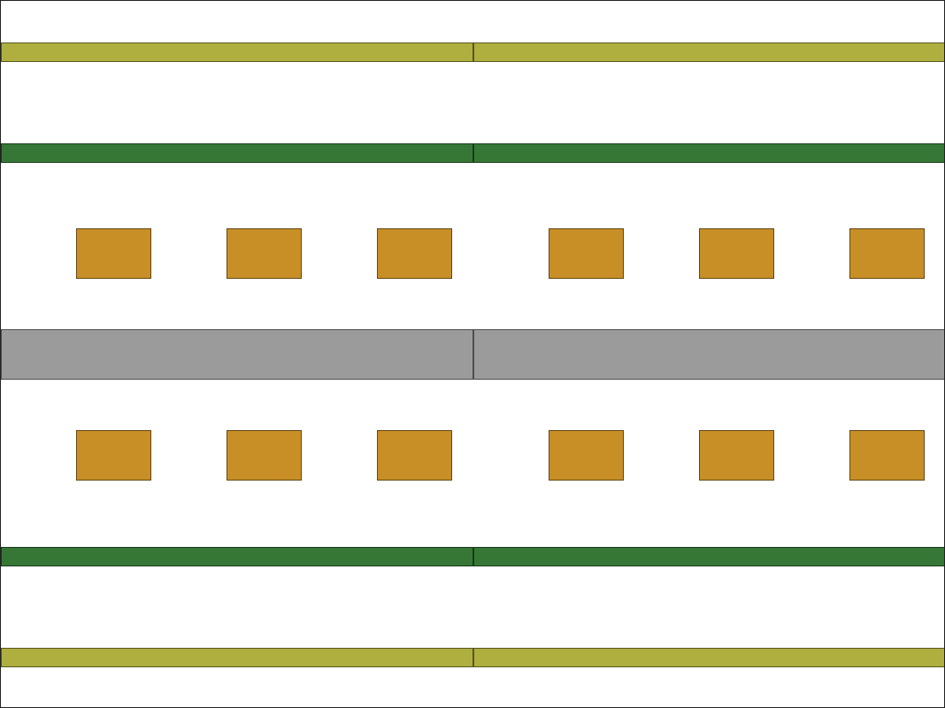 |  | Top Paste
2 |  |  | Top Overlay
3 |  |  | Top Solder | Solder Resist | 0.40mil | 3.5
4 |  |  | Top Layer | Copper | 1.40mil
5 |  |  | Dielectric 1 | FR-4 | 12.60mil | 4.8
6 |  |  | Bottom Layer | Copper | 1.40mil
7 |  |  | Bottom Solder | Solder Resist | 0.40mil | 3.5
8 |  |  | Bottom Overlay
9 |  |  | Bottom Paste
 | Height : 16.20mil | Height : 16.20mil

